Bonus Lay
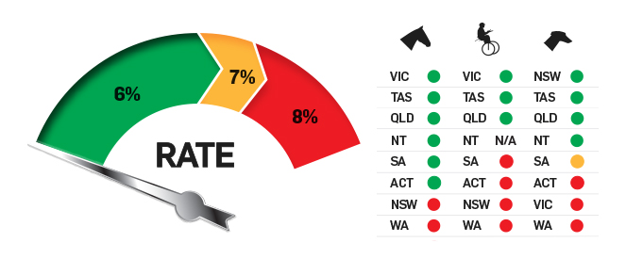
Bonus Lay

Back Amount | Back Price |  | Profit If Wins | % Bonus Recouped
$50.00 | $10.00 |  | $42.56 | 85.1%

Lay Amount | Lay Price | Commission | Profit If Loses
$45.27 | $10.00 | 6.0% | $42.56

 |  | Liability
 |  | $407.44

You can use this sheet to convert your bonuses into cash.
Back your bonus on the bookie and lay it on Betfair.
You do miss out on some "credit" with the bookies but this method can be quite efficient even when you get average prices.
Match bets are best because the prices are more static and the commission is lower but it works on races as well.
The larger the price, the better the real money value you can recoup but also the more liability (i.e. money in your Betfair account) you need.

